Screens - TA1 - TC1
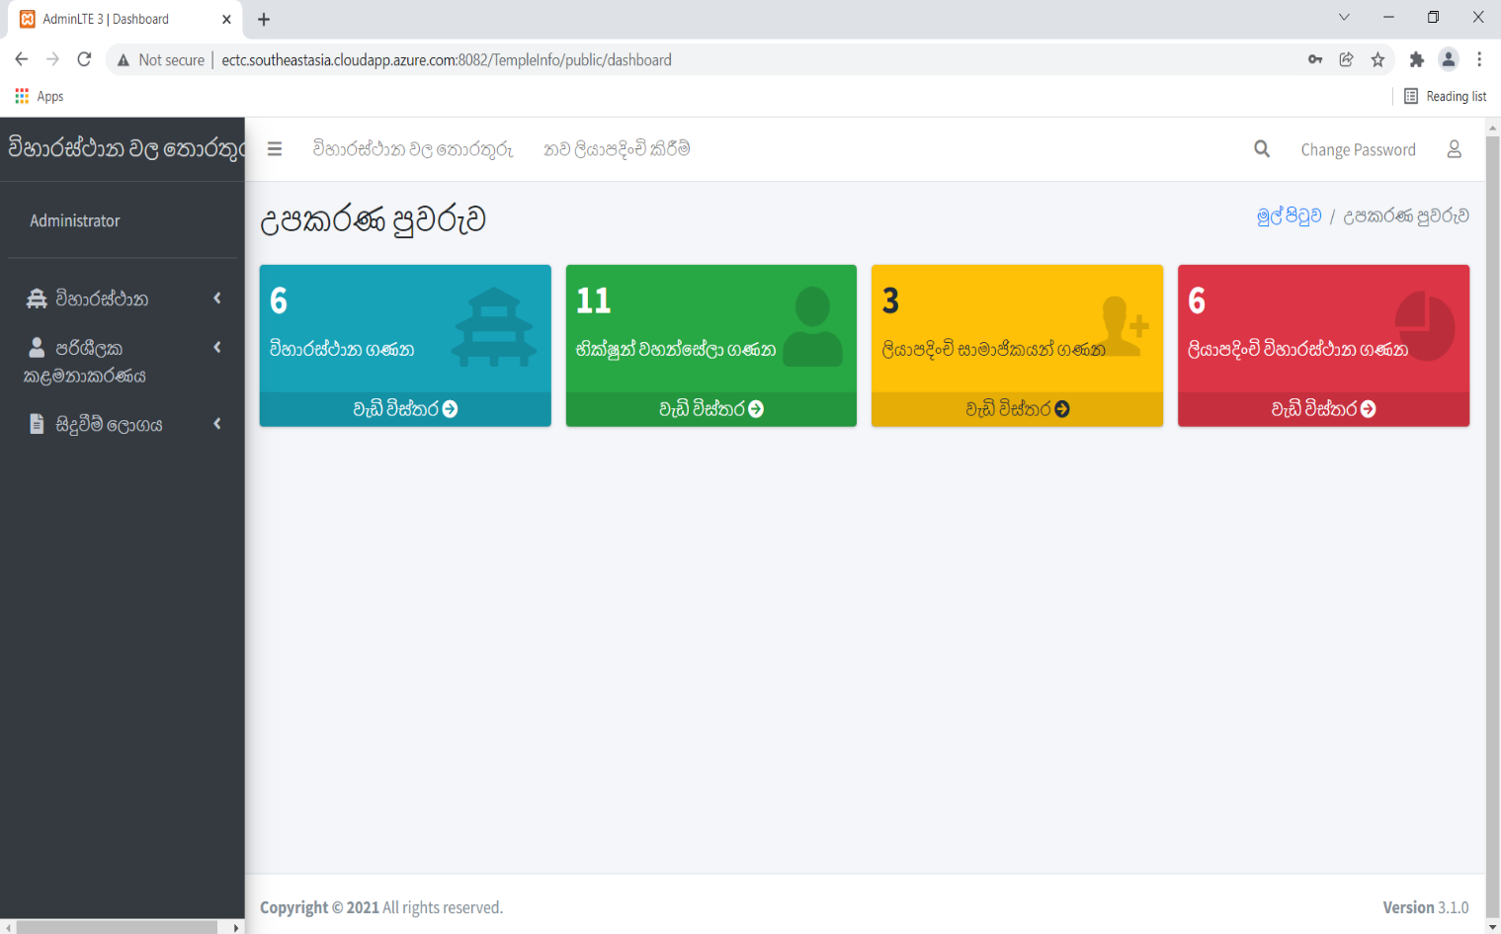
1. Home Page

Screens | Test Results
Test case 1
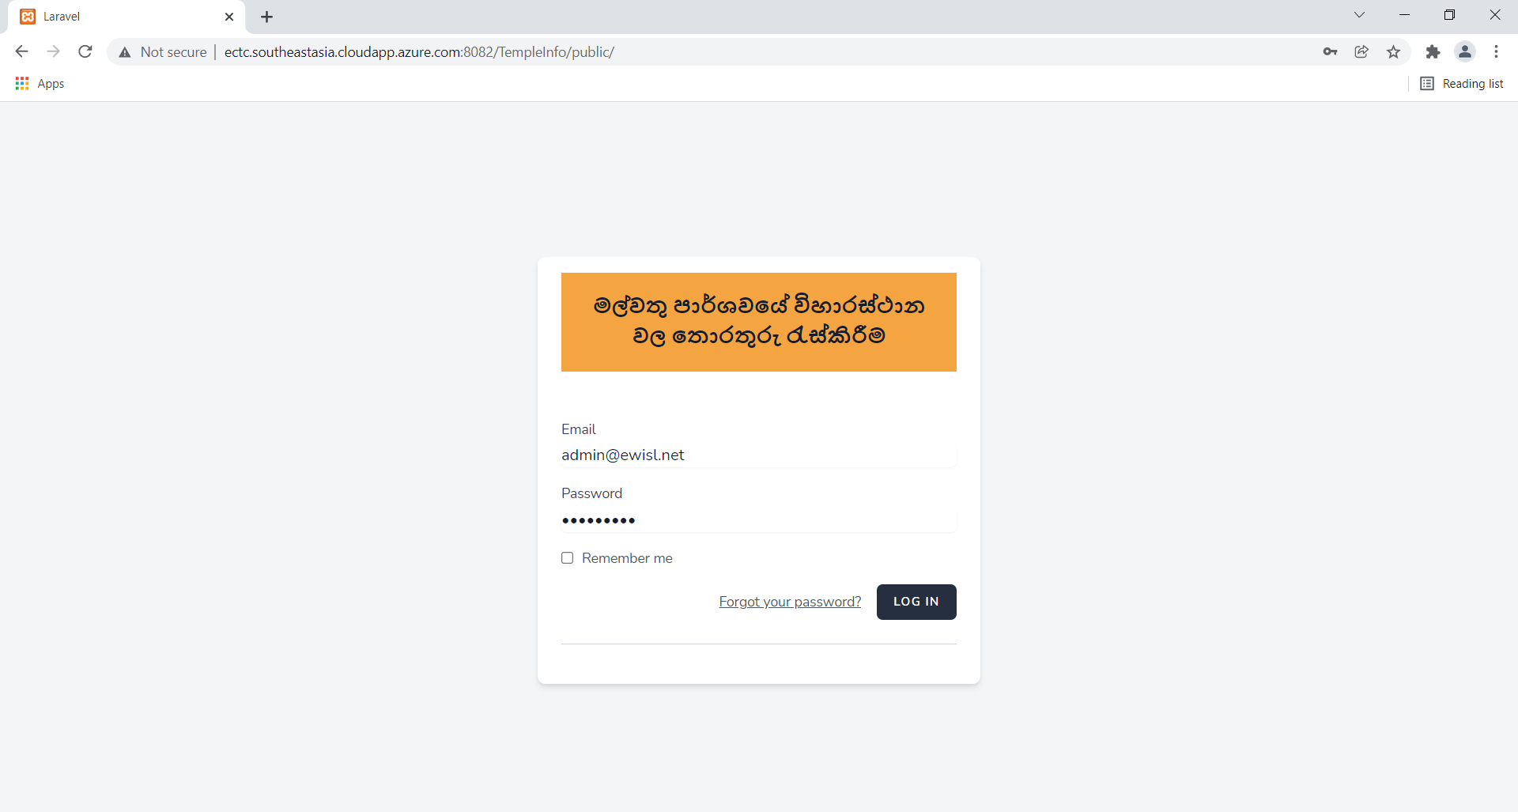 | Pass

Screens - TA1 - TC4
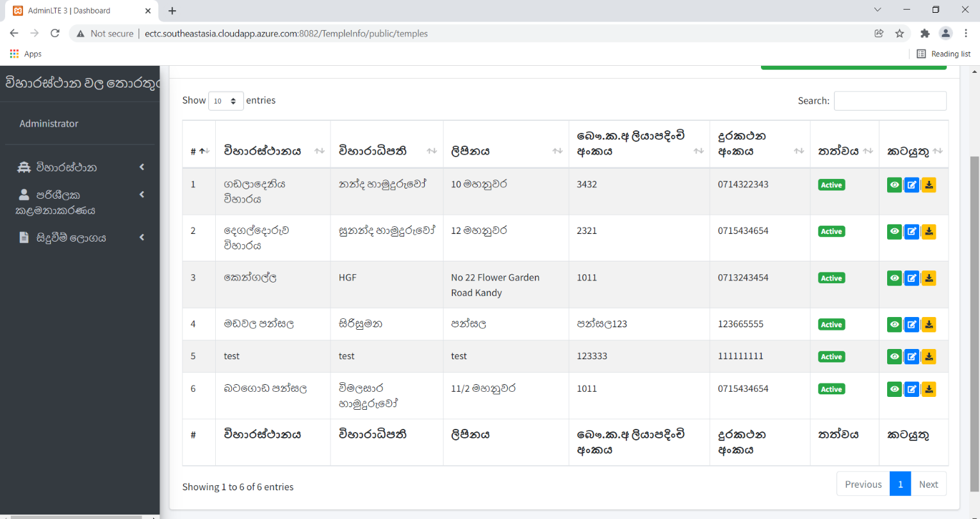
1. Home Page

Screens | Test Results
Test case 4
 | Pass

Screens - TA1 - TC5

1. Home Page

Screens | Test Results
Test case 5
 | Pass

Screens - TA1 - TC6
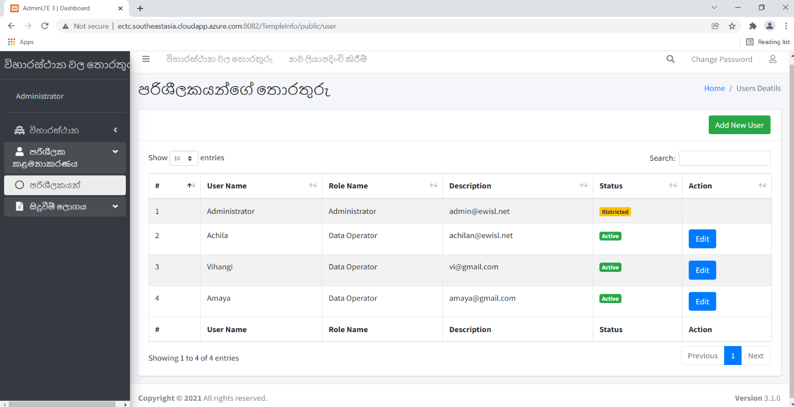
1. Home Page

Screens | Test Results
Test case 6
 | Pass

